Test Result
Screen Tested | Pass/Fail | Key Feedback/Issue | Screenshot Link | Date Reported
Splash Screen | FALSE | Homepage is landed successfully, however the security of the app is comporomised with no Authetication Landing screen first to unlock the app contents | 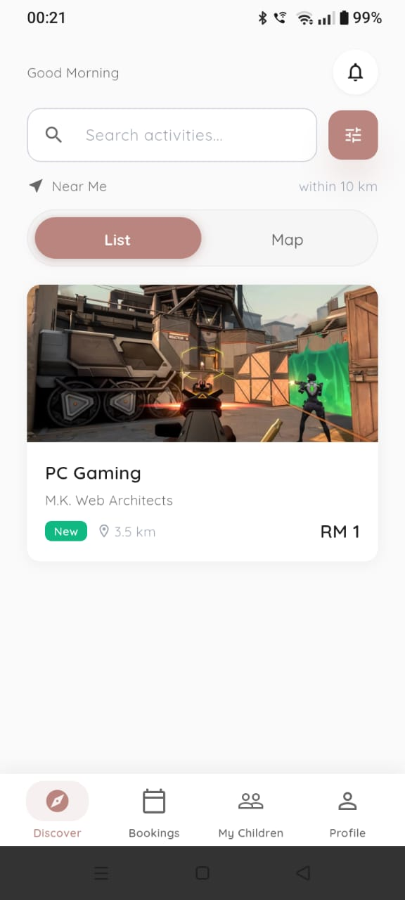 | 2026-07-06
Account Authentication Screen | FALSE | There are grammartical error on the section's copywriting "Sign In ..." No fullstop at the end of the description section "Create ... and settings ." No focus on Create Account and Continue Browsing CTA when hovered/selected. Continue Browsing is unresponsive when selected repeatedly. | Account Authentication Screen_Continue Browsing | 2026-07-06
Create Account Flow | TRUE | Create Account CTA not focusable | Create Account Flow | 2026-07-08
Sign In Screen | FALSE | Sign In user flow working as expected. Logging In function taking too long of a time, affecting user experience when using the app However, Sign In via Google button function showing error "[cloud_firestore/permission-denied] The caller does not hae permission to execute the specified operation." Thies does not blocking the user from signing into the app. | 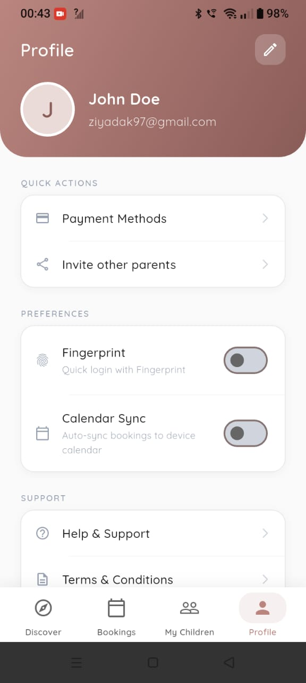 Sign In Screen | 2026-07-06
Sign Out Screen | TRUE | Sign Out user flow working as expected. Sign Out UI also displayed as expected. CTA functionalities working fine. | SignOut_SignIn | 2026-07-06
Booking Flow |  | Group size: 10 (no identification of sample) Reviews description unable to be displayed fully. | Booking Flow | 2026-07-08
My Children Screen | FALSE | (+) Button is not functional | My Children Screen | 2026-07-16
Profile Screen | TRUE | Profile Screen userflow working as expected | Profile Screen

